Full Attribute Map
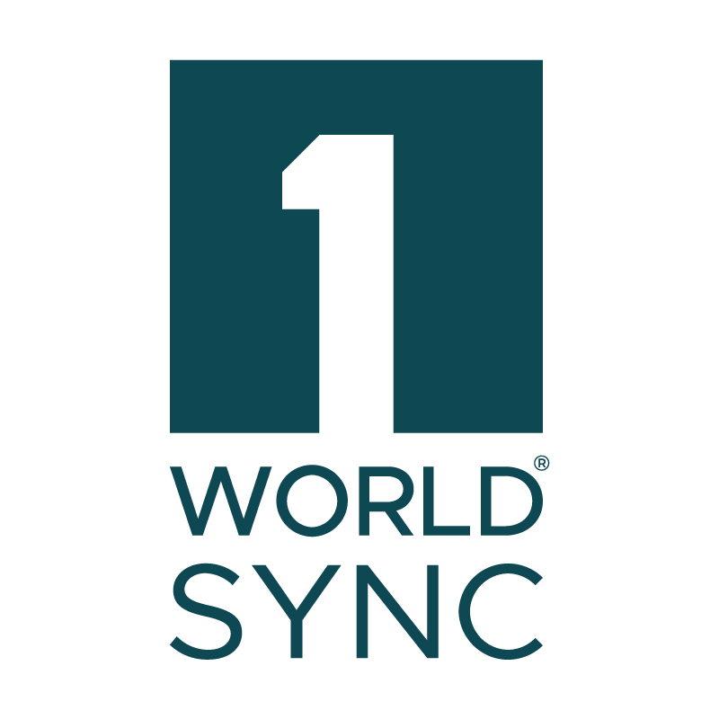

Need help? Visit the Community Platform
Line # | HAD Form 2021 Page | HDA Form 2021 Heading | HAD Form 2021 Attribtue Group | AmeriSourcBergen Attribute | ABSG M/C/O | 1WS M/O/C | 1WS XML Name | 1WS GUI Attribute Name | 1WS GUI Help Text | 1WS Validation Notes | GDSN Attribute Tag | GDSN BMS ID
10 | P1 | Product Information | Header | Introduction Type |  | Mandatory | amerisourceBergenProductInformation/introductionType | Introduction Type | Valid value for the product's introduction type. Example: New Item, Open Stock. | If Base Unit Indicator (isBaseUnit) is True and Introduction Type (amerisourceBergenProductInformation/introductionType) is null, then PUBLICATION IMPACT: Introduction Type (amerisourceBergenProductInformation/introductionType) must not be null.
30 | P1 | Product Information | Header | Final Version |  | Optional | preliminaryItemStatusCode | Preliminary Item Status Code | A code designating whether the trade item has data that the information provider intends to correct or add values to due to pre-production unknowns (PRELIMINARY) or whether the item has attribute values that reflect go to market state (FINAL). |  | preliminaryItemStatusCode | 64
50 | P1 | Product Information | Header | Date |  | GDSN Mandatory | lastModifiedDate | Last Modified Date | A system generated value identifying the date and time a record was last updated. This field allows the data pool to control the trade item data version, and allows the information user to determine if trade item data should be downloaded. Date format CCYY-MM-DDTHH:MM:SS. |  | lastChangeDateTime | 145
69 | P1 | Product Information |  | Manufacturer GLN |  | Mandatory | manufacturer/gln | Manufacturer GLN | The Global Location Number used to identify the organization that manufactures this trade item. |  | gln | 91
70 | P1 | Product Information |  | Company Name |  | Mandatory | manufacturer/name | Manufacturer Name | The name of the manufacturer of this trade item. |  | partyName | 93
90 | P1 | Product Information |  | Application |  | Conditional | amerisourceBergenProductInformation/applicationNumberType | Application Number Type | Valid Value to denote the type of application number which is available for the product. Example: NDA, ANDA, BLA. | If Base Unit Indicator (isBaseUnit) is True and Application Number Type (amerisourceBergenProductInformation/applicationNumberType) is null, then PUBLICATION IMPACT: Application Number Type (amerisourceBergenProductInformation/applicationNumberType) must not be null.
109 | P1 | Product Information |  | alternateClassification/scheme |  | Conditional | alternateClassification/scheme | Scheme | Use this field to select the additional external classification agency (e.g., UDEX) whose standard codes can be used to categorize a product. For retailer specific classifications, search for the retailer name. | If Orderable Unit Indicator (isOrderableUnit) is True and Is Exempt From Premarket Authorisation (isExemptFromPremarketAuthorisation) is not True and one instance of Scheme (alternateClassification/scheme) is not FDA Premarket Submission Notification(FDAPSN), then WARNING: One instance of Scheme (alternateClassification/scheme) must be FDA Premarket Submission Notification(FDAPSN). | additionalTradeItemClassificationSystemCode | 171
110 | P1 | Product Information |  | Application Number for NDA/AND/BLA (drug); PMA/510(k)(med device) | ABSG Mandatory, Conditional | Optional | alternateClassification/code | Code | The code used to classify the trade item within the selected alternate classification scheme. |  | additionalTradeItemClassificationCodeValue | 173
111 | P1 | Product Information |  | Medical Device Class, if applicable: |  | Optional | amerisourceBergenProductInformation/medicalDeviceClass | Medical Device Class | Value for the risk class of the medical device. Example: Class I with exemptions, Class II without exemptions, Class III PMA
112 | P1 |  |  |  |  | Conditional | isExemptFromPremarketAuthorisation | Is Exempt From Premarket Authorisation | Indicates whether the medical device is exempt from premarket regulations. For the FDA, Premarket approval (PMA) is the process of scientific and regulatory review to evaluate the safety and effectiveness of Class III medical devices. Class III devices are those that support or sustain human life, are of substantial importance in preventing impairment of human health, or which present a potential, unreasonable risk of illness or injury. Due to the level of risk associated with Class III devices, FDA has determined that general and special controls alone are insufficient to assure the safety and effectiveness of class III devices. Therefore, these devices require a premarket approval (PMA) application under section 515 of the FD&C Act in order to obtain marketing clearance. Please note that some Class III preamendment devices may require a Class III 510(k). | If Base Unit Indicator (isBaseUnit) is True and Is Exempt From Premarket Authorisation (isExemptFromPremarketAuthorisation) is null, then PUBLICATION IMPACT: Is Exempt From Premarket Authorisation (isExemptFromPremarketAuthorisation) must not be null. | isExemptFromPremarketAuthorisation | 6100
129 | P1 | Product Information |  | Brand Owner Additional Trade Item Identification Type | ABSG Conditional | Conditional | brandOwnerAdditionalTradeItemIdentification/brandOwnerAdditionalIdType | Brand Owner Additional Trade Item Identification Type | Code used to identify additional brand owner identification value. | If Orderable Unit Indicator (isOrderableUnit) is True and one instance of Brand Owner Additional Trade Item Identification Type (brandOwnerAdditionalTradeItemIdentification/brandOwnerAdditionalIdType) is not DUNS (DUNS) or DUNS Plus Four (DUNS_PLUS_FOUR), then PUBLCIATION IMPACT: One instance of Brand Owner Additional Trade Item Identification Type (brandOwnerAdditionalTradeItemIdentification/brandOwnerAdditionalIdType) is must be DUNS (DUNS) or DUNS Plus Four (DUNS_PLUS_FOUR). | additionalPartyIdentification | 72
130 | P1 | Product Information |  | DUNS |  | Mandatory | brandOwnerAdditionalTradeItemIdentification/brandOwnerAdditionalIdValue | Brand Owner Additional Trade Item Identification Value | Number used to identify the brand owner when not using GLN. May or may not be the same entity as the information provider. |  | additionalPartyIdentificationTypeCode | 73
150 | P1 | Product Information |  | Proprietary Name (If Applicable) and Established Name: |  | Conditional | productDescription | Product Description | An understandable and useable description of a trade item using brand and other descriptors. Allows for the representation of the same value in different languages but not for multiple values. | If Base Unit Indicator (isBaseUnit) is True and Application Number Type (amerisourceBergenProductInformation/applicationNumberType) is null, then PUBLICATION IMPACT: Application Number Type (amerisourceBergenProductInformation/applicationNumberType) must not be null. | tradeItemDescription | 3517
169 | P1 | Product Information |  | Alternate Item Identification Agency |  | Conditional | alternateItemIdentification/agency | Alternate Item Identification Agency | A trade item identifier, usually associated with a specific business need, that is in addition to the GTIN, for example, a buyer's or seller's item number | If Base Unit Indicator (isBaseUnit) is True and Global Classification (globalClassificationCategory/code) is 10005845 and one instance of Alternate Item Identification Agency (alternateItemIdentification) is not either The National Drug Code unique 10-digit code (F10) or The National Drug Code unique 11-digit code (F11) or US Centers for Medicare and Medicaid Services National Drug Code (US_CMS_NDC) or US Federal Food, Drug National Drug Code (US_FDA_NDC), then PUBLICATION IMPACT: One instance of Alternate Item Identification Agency (alternateItemIdentification) should be The National Drug Code unique 10-digit code (F10) or The National Drug Code unique 11-digit code (F11) or US Centers for Medicare and Medicaid Services National Drug Code (US_CMS_NDC) or US Federal Food, Drug National Drug Code (US_FDA_NDC). | additionalTradeItemIdentificationTypeCode | 69
170 | P1 | Product Information |  | Selling Unit NDC | ABSG Mandatory- mandatory for all RX items to have an NDC | Optional | alternateItemIdentification/id | Alternate Item Identification ID | A trade item identifier, usually associated with a specific business need, that is in addition to the GTIN, for example, a buyer's or seller's item number |  | additionalTradeItemIdentification | 68
183 | P1 | Product Information |  | No. of pieces in Set |  | Optional | numberOfPiecesInSet | No. of pieces in Set | The total number of separately packaged components comprising a single trade item. |  | numberOfPiecesInSet | 316
184 | P1 | Product Information |  | Total number of components |  | Optional | totalNumberOfComponents | Total number of components | The total number of components for the trade item. |  | totalNumberOfComponents | 317
186 | P1 | Product Information |  | Component Number |  | Optional | componentInformation/componentNumber | Component Number | Indicate a sequence number of a component of a trade item. |  | componentNumber | 322
187 | P1 | Product Information |  | Component Quantity |  | Optional | componentInformation/componentQuantity | Component Quantity | An attribute used to describe the quantity of components described in either the componentIdentification or componentDescription. |  | componentQuantity | 331
188 | P1 | Product Information |  | Component Description |  | Optional | componentInformation/componentDescription | Component Description | A description of the component. |  | componentDescription | 320
...

